Getting Started
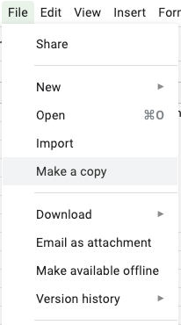
1. Save a copy of this document in your drive account
 | I) Click on the File menu then select the Make a copy option;

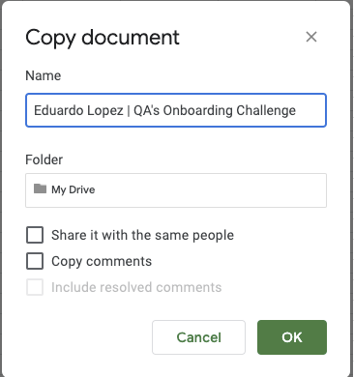
 | II) Add your name at the beggining of the file's name:

